Revision
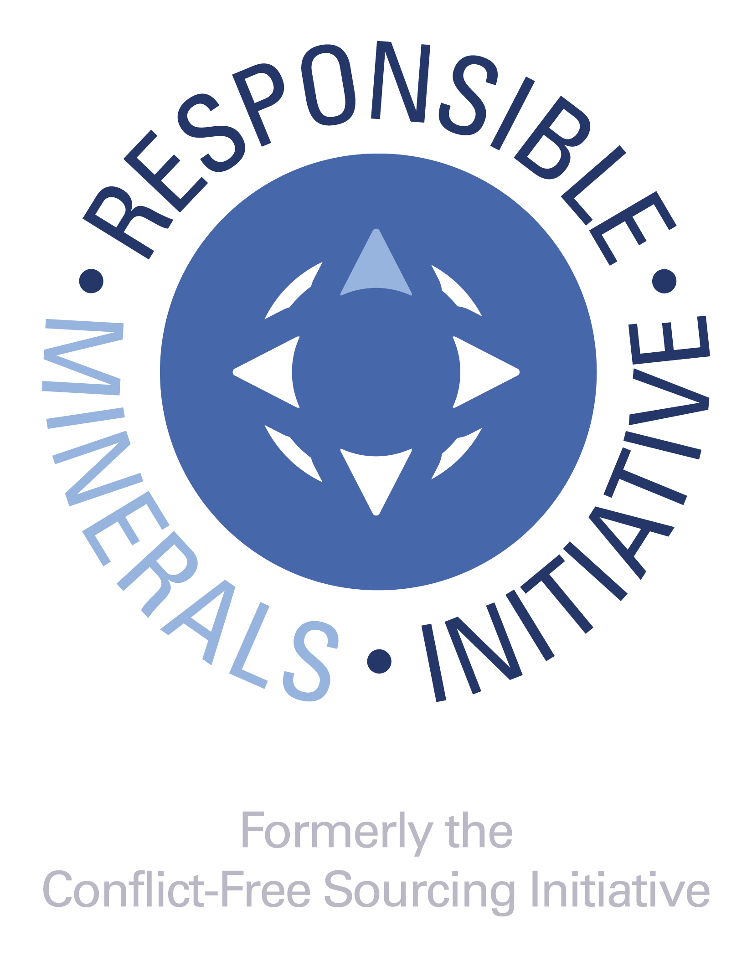
DOCUMENT TITLE
Extended Mineral Reporting Template
SHEET
1 of 8

REVISION HISTORY
• A change in the first digit of the revision number (e.g., 1.0 to 2.0) signifies that a set of major improvements have occurred and would likely include different data reporting requirements. • Changes to the first decimal places (2.10 to 2.20) indicate that minor changes have been made to the template and are not expected to result in substantial changes to the data being reported. • Changes to the second decimal places (2.10 to 2.11) indicates an even more minor change, for example an update to the smelter reference list • Changes to alpha characters (e.g., "a", or "b", or "c") following the revision number indicates that the version is an alpha or a beta version; these only appear on pre-released versions and would be dropped once the version is released to the public. A version with a letter (post version 4.xx) should not be used in commerce. RMI recommends that companies reject these versions as they are pre-release and could contain errors or other inconsistencies which could impact the accuracy of the data.

REVISION | ORIGINATOR | RELEASE DATE | DESCRIPTION OF FUNCTIONAL CHANGE | UPDATES TO SMELTER LIST
1.0 | RMI | 2021-10-20 | Version 1.0: The Extended Mineral Reporting Template is the updated and renamed Cobalt Reporting Template that incorporates mica within its scope. This includes updates to the Declaration tab in line with the IPC-1755A October 2021 amendment. | This version incorporates changes to the standard smelter list for cobalt and includes the standard smelter list for mica as of July 28, 2021. The latest version of the Standard Smelter List is available at: https://www.responsiblemineralsinitiative.org/smelters-refiners-lists/smelter-reference-lists-export/
1.01 | RMI | 2021-11-23 | 1. Minor revisions to correct reported issues including those related to the “Declaration”, "Checker" and "Smelter List" tabs, and Chinese and Korean translations. | This version incorporates changes to the standard smelter list for cobalt and includes the standard smelter list for mica as of July 28, 2021. The latest version of the Standard Smelter List is available at: https://www.responsiblemineralsinitiative.org/smelters-refiners-lists/smelter-reference-lists-export/
1.02 | RMI | 2021-12-23 | 1. Minor revisions to correct reported issues for Chinese translations. | This version incorporates changes to the standard smelter list for cobalt and includes the standard smelter list for mica as of July 28, 2021. The latest version of the Standard Smelter List is available at: https://www.responsiblemineralsinitiative.org/smelters-refiners-lists/smelter-reference-lists-export/
1.1 | RMI | 2022-10-14 | 1. Corrections to all bugs and errors 2. Enhancements which do not conflict with IPC-1755A such as the activation of filter/search function in the Smelter List tab. a. Update to ISO short names for countries, states / provinces 3. Updates to the Smelter Reference List and Standard Smelter List | This version incorporates changes to the standard smelter lists for cobalt and mica as of July 25, 2022. The latest version of the Standard Smelter List is available at: https://www.responsiblemineralsinitiative.org/smelters-refiners-lists/smelter-reference-lists-export/
1.11 | RMI | 2022-11-04 | 1. Minor revisions to correct reported issues including those related to the "Declaration" tab, and Chinese translations. | This version incorporates changes to the standard smelter lists for cobalt and mica as of July 25, 2022. The latest version of the Standard Smelter List is available at: https://www.responsiblemineralsinitiative.org/smelters-refiners-lists/smelter-reference-lists-export/
1.2 | RMI | 2023-05-12 | 1. Corrections to all bugs and errors. 2. Updates to the Smelter Reference List and Standard Smelter List. | This version incorporates changes to the standard smelter lists for cobalt and mica as of March 27, 2023. The latest version of the Standard Smelter List is available at: https://www.responsiblemineralsinitiative.org/smelters-refiners-lists/smelter-reference-lists-export/
1.3 | RMI | 2024-04-26 | 1. Corrections to all bugs and errors 2. Updates to highlighting on the Smelter List tabs. 3. Updates to Smelter Reference List and Standard Smelter List 4. Added German translation to file. | This version incorporates changes to the standard smelter lists for cobalt and mica as of February 28, 2024. The latest version of the Standard Smelter List is available at: https://www.responsiblemineralsinitiative.org/facilities-lists/smelter-reference-lists-export/
2.0 | RMI | 2025-04-25 | 1. Addition of four new minerals: copper, graphite (natural), lithium, and nickel. 2. Added Mine List tab. 3. Updates to Smelter Reference List and Standard Smelter List | This version incorporates changes to the smelter list as reflected in the Standard Smelter List as of March 5, 2025. The latest version of the Standard Smelter List is available at: https://www.responsiblemineralsinitiative.org/facilities-lists/smelter-reference-lists-export/
2.1 | RMI | 2025-10-17 | 1. Corrections to all bugs and errors 2. Added notice of Select Minerals/Metals in Scope 3. Change to Product List to include "Requestor's Product Number" and "Requestor's Product Name" 4. Updates to the Smelter List and Mine List tabs 5. Updates to Smelter Reference List and Standard Smelter List | This version incorporates changes to the smelter list as reflected in the Standard Smelter List as of September 5, 2025. The latest version of the Standard Smelter List is available at: https://www.responsiblemineralsinitiative.org/facilities-lists/smelter-reference-lists-export/
2.11 | RMI | 2026-04-17 | 1. Enhancements which do not conflict with IPC-1755 a. Update to ISO short names for countries, states / provinces 2. Corrected date input issue on Declaration tab 3. Updates to Smelter Reference List and Standard Smelter List | This version incorporates changes to the smelter list as reflected in the Standard Smelter List as of March 11, 2026. The latest version of the Standard Smelter List is available at: https://www.responsiblemineralsinitiative.org/facilities-lists/smelter-reference-lists-export/
© 2026 Responsible Minerals Initiative. All rights reserved.

Smelter List
 | TO BEGIN: |  |  |  |  |  |  |  | Link to "RMAP Conformant Smelter List"
 | Option A: If you know the Smelter Identification Number, input the number in Column A (columns B, C, E, F, G, I and J will auto-populate); D will grey out. Option B: If you have a Metal and Smelter Look-up name combination, complete the following steps: Step 1. Select Metal in column B Step 2. Select from dropdown in column C Option C: If you have minerals and Smelter Name combination, complete the following steps: Step 1. Select Minerals in column B Step 2: Select "Smelter Not Listed" in the Smelter Look-up drop down and complete columns D & E Step 3. Enter all available smelter information in columns H through Q (*) Mandatory fields are noted with an asterisk. (1) Entry required when Smelter Look-up = "Smelter Not Listed" NOTE: A combination of Options A, B and C may be used to complete the Smelter List. Do not alter autopopulated cells. All errors in the Smelter Look-up should be reported to RBA by contacting RMI@ResponsibleBusiness.org. |  |  |  |  | © 2026 Responsible Minerals Initiative. All rights reserved. |  |  |  |  |  |  |  |  |  | Revision 2.11 April 17, 2026
Smelter Identification Number Input Column | Metal (*) | Smelter Look-up (*) | Smelter Name (1) | Smelter Country (*) | Smelter Identification | Source of Smelter Identification Number | Smelter Street | Smelter City | Smelter Facility Location: State / Province | Smelter Contact Name | Smelter Contact Email | Proposed next steps | Name of Mine(s) or if recycled or scrap sourced, enter "recycled" or "scrap" | Location (Country) of Mine(s) or if recycled or scrap sourced, enter "recycled" or "scrap" | Does 100% of the smelter’s feedstock originate from recycled or scrap sources? | Comments
CID003228 | Cobalt | Umicore Olen |  | BELGIUM | CID003228 | RMI | 0 | Olen | Antwerpen
CID003239 | Cobalt | Port Colborne Refinery |  | CANADA | CID003239 | RMI | 0 | Port Colborne | Ontario
CID003278 | Cobalt | Niihama Nickel Refinery, Sumitomo Metal Mining |  | JAPAN | CID003278 | RMI | 0 | Niihama | Ehime
CID004395 | Nickel | Guangxi Yinyi Advanced Material Co., Ltd. |  | CHINA | CID004395 | RMI | 0 | Yulin | Guangxi Zhuangzu Zizhiqu
CID003225 | Cobalt | Zhejiang Huayou Cobalt Company Limited |  | CHINA | CID003225 | RMI | 0 | Tongxiang | Zhejiang Sheng
CID003255 | Cobalt | Quzhou Huayou Cobalt New Material Co.,Ltd. |  | CHINA | CID003255 | RMI | 0 | Quzhou | Zhejiang Sheng
CID003280 | Cobalt | Complexe hydrométallurgique de Guemassa |  | MOROCCO | CID003280 | RMI | 0 | Marrakech | Marrakech-Safi
CID003390 | Cobalt | NORILSK NICKEL HARJAVALTA OY |  | FINLAND | CID003390 | RMI | 0 | Harvjavalta | Satakunta
CID004513 | Nickel | Korea Energy Materials Company(Nickel Refinery) |  | KOREA, REPUBLIC OF | CID004513 | RMI | 0 | Ulju-gun | Ulsan-gwangyeoksi
CID003232 | Cobalt | Dynatec Madagascar Company |  | MADAGASCAR | CID003232 | RMI | 0 | Toamasina | Toamasina
CID003968 | Nickel | Dynatec Madagascar Company |  | MADAGASCAR | CID003968 | RMI | 0 | Toamasina | Toamasina
CID003928 | Nickel | Murrin Murrin Nickel Cobalt Plant |  | AUSTRALIA | CID003928 | RMI | 0 | Perth | Western Australia
CID004398 | Nickel | Jiangxi Miracle Golden Tiger Cobalt Co. Ltd. |  | CHINA | CID004398 | RMI | 0 | Ganzhou City | Jiangxi Sheng
CID005249 | Nickel | Umicore Olen |  | BELGIUM | CID005249 | RMI | 0 | Olen | Antwerpen
CID004566 | Nickel | Jiangxi Ruida New Energy Technology Co., Ltd. |  | CHINA | CID004566 | RMI | 0 | Yichun | Jiangxi Sheng
CID004055 | Nickel | Niihama Nickel Refinery, Sumitomo Metal Mining |  | JAPAN | CID004055 | RMI | 0 | Niihama | Ehime
CID003878 | Copper | Toyo Smelter & Refinery, Sumitomo Metal Mining |  | JAPAN | CID003878 | RMI | 0 | Saijyo | Ehime
CID003882 | Nickel | Harima Refinery, Sumitomo Metal Mining |  | JAPAN | CID003882 | RMI | 0 | Kako-gun | Hyôgo
CID004008 | Nickel | NORILSK NICKEL HARJAVALTA OY |  | FINLAND | CID004008 | RMI | 0 | Harjavalta | Satakunta
CID004728 | Nickel | Guangxi CNGR New Energy Science & Technology Co., Ltd. |  | CHINA | CID004728 | RMI | 0 | Qizhou City | Guangxi Zhuangzu Zizhiqu
CID005061 | Nickel | Guizhou CNGR Resource Recycling Industry Development Co., Ltd. |  | CHINA | CID005061 | RMI | 0 | Tongren | Guizhou Sheng
CID004618 | Nickel | ICoNiChem Widnes Ltd |  | UNITED KINGDOM OF GREAT BRITAIN AND NORTHERN IRELAND | CID004618 | RMI | 0 | Widnes | Cheshire West and Chester
CID004606 | Nickel | Impala Platinum - Base Metal Refinery (BMR) |  | SOUTH AFRICA | CID004606 | RMI | 0 | Springs | Gauteng
CID005214 | Nickel | PT HUAFEI NICKEL COBALT |  | INDONESIA | CID005214 | RMI | 0 | Halmahera Tengah | Maluku Utara
CID003264 | Cobalt | Chemaf Etoile |  | CONGO, DEMOCRATIC REPUBLIC OF THE | CID003264 | RMI | 0 | Lubumbashi | Haut-Katanga
CID004057 | Cobalt | Eti Bakir A.S |  | TURKEY | CID004057 | RMI | 0 | Mardin | Mardin
CID003384 | Cobalt | Ganzhou Highpower Technology Co., Ltd. |  | CHINA | CID003384 | RMI | 0 | Ganzhou | Jiangxi Sheng
CID003212 | Cobalt | Ganzhou Tengyuan Cobalt New Material Co., Ltd. |  | CHINA | CID003212 | RMI | 0 | Ganzhou | Jiangxi Sheng
CID003209 | Cobalt | Gem (Jiangsu) Cobalt Industry Co., Ltd. |  | CHINA | CID003209 | RMI | 0 | Taixing | Jiangsu Sheng
CID003213 | Cobalt | Guangxi Yinyi Advanced Material Co., Ltd. |  | CHINA | CID003213 | RMI | 0 | Yulin | Guangxi Zhuangzu Zizhiqu
CID003610 | Cobalt | Guizhou CNGR Resource Recycling Industry Development Co., Ltd. |  | CHINA | CID003610 | RMI | 0 | Tongren | Guizhou Sheng
CID003577 | Cobalt | Harima Refinery, Sumitomo Metal Mining |  | JAPAN | CID003577 | RMI | 0 | Kako-gun | Hyogo
CID003411 | Cobalt | Hunan CNGR New Energy Science & Technology Co., Ltd. |  | CHINA | CID003411 | RMI | 0 | Changsha | Hunan Sheng
CID003404 | Cobalt | Hunan Yacheng New Energy Co., Ltd. |  | CHINA | CID003404 | RMI | 0 | Changsha | Hunan Sheng
CID003491 | Cobalt | ICoNiChem Widnes Ltd |  | UNITED KINGDOM OF GREAT BRITAIN AND NORTHERN IRELAND | CID003491 | RMI | 0 | Widnes | Cheshire West and Chester
CID004608 | Cobalt | Impala Platinum - Base Metal Refinery (BMR) |  | SOUTH AFRICA | CID004608 | RMI | 0 | Springs | Gauteng
CID004614 | Cobalt | Impala Platinum - Rustenburg Smelter |  | SOUTH AFRICA | CID004614 | RMI | 0 | Rustenburg | North-West
CID004003 | Cobalt | Jiangxi Miracle Golden Tiger Cobalt Co. Ltd. |  | CHINA | CID004003 | RMI | 0 | Ganzhou City | Jiangxi Sheng
CID003378 | Cobalt | Jingmen GEM Co., Ltd. |  | CHINA | CID003378 | RMI | 0 | Jingmen | Hubei Sheng
CID003261 | Cobalt | Kamoto Copper Company |  | CONGO, DEMOCRATIC REPUBLIC OF THE | CID003261 | RMI | 0 | Kolwezi | Lualaba
CID003587 | Cobalt | Kisanfu Mining (Kimin) |  | CONGO, DEMOCRATIC REPUBLIC OF THE | CID003587 | RMI | 0 | Kolwezi | Lualaba
CID003275 | Cobalt | La Compagnie de Traitement des Rejets de Kingamyambo S.A. (Metalkol S.A.) |  | CONGO, DEMOCRATIC REPUBLIC OF THE | CID003275 | RMI | 0 | Lubumbashi | Haut-Katanga
CID004393 | Cobalt | Lianyou Resources Co., Ltd. |  | TAIWAN, PROVINCE OF CHINA | CID004393 | RMI | 0 | Wujie | Yilan
CID003406 | Cobalt | Murrin Murrin Nickel Cobalt Plant |  | AUSTRALIA | CID003406 | RMI | 0 | Laverton | Western Australia
CID003301 | Cobalt | Mutanda Mining SPRL |  | CONGO, DEMOCRATIC REPUBLIC OF THE | CID003301 | RMI | 0 | Kolwezi | Lualaba
CID003266 | Cobalt | Societe pour le Traitment du Terril de Lubumbashi (STL) |  | CONGO, DEMOCRATIC REPUBLIC OF THE | CID003266 | RMI | 0 | Lubumbashi | Haut-Katanga
CID003338 | Cobalt | SungEel HiTech Co., Ltd. |  | KOREA, REPUBLIC OF | CID003338 | RMI | 0 | Gunsan-si | Jeollabuk-do
CID003429 | Cobalt | Tenke Fungurume Mining SA |  | CONGO, DEMOCRATIC REPUBLIC OF THE | CID003429 | RMI | 0 | Tenke and Fungurume Town | Lualaba
CID003473 | Cobalt | Uranus Chemicals |  | TAIWAN, PROVINCE OF CHINA | CID003473 | RMI | 0 | Toufen | Miaoli
CID003584 | Cobalt | Vale – Long Harbour Processing Plant (LHPP) |  | CANADA | CID003584 | RMI | 0 | Long Harbour | Newfoundland and Labrador
CID003526 | Cobalt | Zhejiang Greatpower Cobalt Materials Co., Ltd. |  | CHINA | CID003526 | RMI | 0 | Shaoxing | Zhejiang Sheng
CID004058 | Copper | Eti Bakir A.S |  | TURKEY | CID004058 | RMI | 0 | Mardin | Mardin
CID004607 | Copper | Impala Platinum - Base Metal Refinery (BMR) |  | SOUTH AFRICA | CID004607 | RMI | 0 | Springs | Gauteng
CID003795 | Copper | Tenke Fungurume Mining SA |  | CONGO, DEMOCRATIC REPUBLIC OF THE | CID003795 | RMI | 0 | Tenke and Fungurume Town | Lualaba
CID003805 | Copper | Societe pour le Traitment du Terril de Lubumbashi (STL) |  | CONGO, DEMOCRATIC REPUBLIC OF THE | CID003805 | RMI | 0 | Lubumbashi | Haut-Katanga
CID003872 | Copper | Kisanfu Mining (Kimin) |  | CONGO, DEMOCRATIC REPUBLIC OF THE | CID003872 | RMI | 0 | Kolwezi | Lualaba
CID004387 | Copper | NKANA COPPER REFINERY - Nkana (Kitwe) |  | ZAMBIA | CID004387 | RMI | 0 | Kitwe | Copperbelt
CID004394 | Copper | Kamoto Copper Company |  | CONGO, DEMOCRATIC REPUBLIC OF THE | CID004394 | RMI | 0 | Kolwezi | Lualaba
CID003948 | Copper | La Compagnie de Traitement des Rejets de Kingamyambo S.A. (Metalkol S.A.) |  | CONGO, DEMOCRATIC REPUBLIC OF THE | CID003948 | RMI | 0 | Lubumbashi | Haut-Katanga
CID004074 | Copper | Mutanda Mining SPRL |  | CONGO, DEMOCRATIC REPUBLIC OF THE | CID004074 | RMI | 0 | Kolwezi | Lualaba
CID004613 | Copper | Impala Platinum - Rustenburg Smelter |  | SOUTH AFRICA | CID004613 | RMI | 0 | Rustenburg | North-West
CID004746 | Copper | SOCIETE MINIERE DU KATANGA (Lupoto Plant) |  | CONGO, DEMOCRATIC REPUBLIC OF THE | CID004746 | RMI | 0 | Kipushi | Haut-Katanga
CID004812 | Copper | CMOC Kisanfu Mining SARL |  | CONGO, DEMOCRATIC REPUBLIC OF THE | CID004812 | RMI | 0 | Chefferie de Bayeke | Lualaba
CID004004 | Nickel | PT HUAYUE NICKEL COBALT |  | INDONESIA | CID004004 | RMI | 0 | Morowali Regency | Sulawesi Tengah
CID004453 | Nickel | PT Halmahera Persada Lygend |  | INDONESIA | CID004453 | RMI | 0 | Kabupaten Halmahera Selatan | Maluku Utara
CID004579 | Nickel | PT QMB New Energy Materials |  | INDONESIA | CID004579 | RMI | 0 | Morowali Regency | Sulawesi Tengah
CID004612 | Nickel | Impala Platinum - Rustenburg Smelter |  | SOUTH AFRICA | CID004612 | RMI | 0 | Rustenburg | North-West
CID004493 | Nickel | Ecopro Materials Co., Ltd. |  | KOREA, REPUBLIC OF | CID004493 | RMI | 0 | Cheongju-si | Chungcheongbuk-do
CID003975 | Nickel | Hunan Brunp Recycling Technology Co., Ltd. |  | CHINA | CID003975 | RMI | 0 | Changsha | Hunan Sheng
CID005175 | Nickel | Hunan CNGR New Energy Science & Technology Co., Ltd. |  | CHINA | CID005175 | RMI | 0 | Changsha | Hunan Sheng
CID004693 | Nickel | PT DEBONAIR NICKEL INDONESIA |  | INDONESIA | CID004693 | RMI | 0 | Weda Tengah | Maluku Utara
CID005247 | Nickel | PT Obi Nickel Cobalt |  | INDONESIA | CID005247 | RMI | 0 | South Halmahera | Maluku Utara
CID005241 | Nickel | PT. Infei Metal Industry |  | INDONESIA | CID005241 | RMI | 0 | Halmahera Tengah | Maluku Utara
CID005242 | Nickel | PT. Westrong Metal Industry |  | INDONESIA | CID005242 | RMI | 0 | Halmahera Tengah | Maluku Utara
CID005250 | Nickel | Umicore Finland Oy |  | FINLAND | CID005250 | RMI | 0 | Kokkola | Mellersta Österbotten
...

Mine List
 | TO BEGIN:
 | Step 1. Select Metal in column A Step 2. Select Name of Smelter(s) sourcing from this Mine facility in column B Step 3. Enter Mine Facility (Site) Name in column C Step 4. Enter Mine Identification (e.g. CID) and Source of Identification in columns D and E, if available Step 5. Select Country in column F Step 6. Enter all available smelter information in columns G through M |  |  | 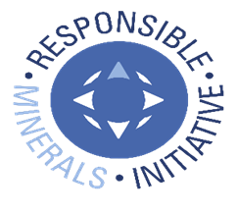 © 2026 Responsible Minerals Initiative. All rights reserved. |  |  |  |  |  |  |  | Revision 2.11 April 17, 2026
Metal | Name of Smelter(s) sourcing from this Mine Facility | Mine Facility (Site) Name | Mine Identification (e.g. CID) | Source of Mine Facility Identification Number | Mine Facility Country | Mine Facility Street | Mine Facility City | Mine Facility Location: State / Province | Mine Facility Contact Name | Mine Facility Contact Email | Proposed next steps | Comments
...

