Cover
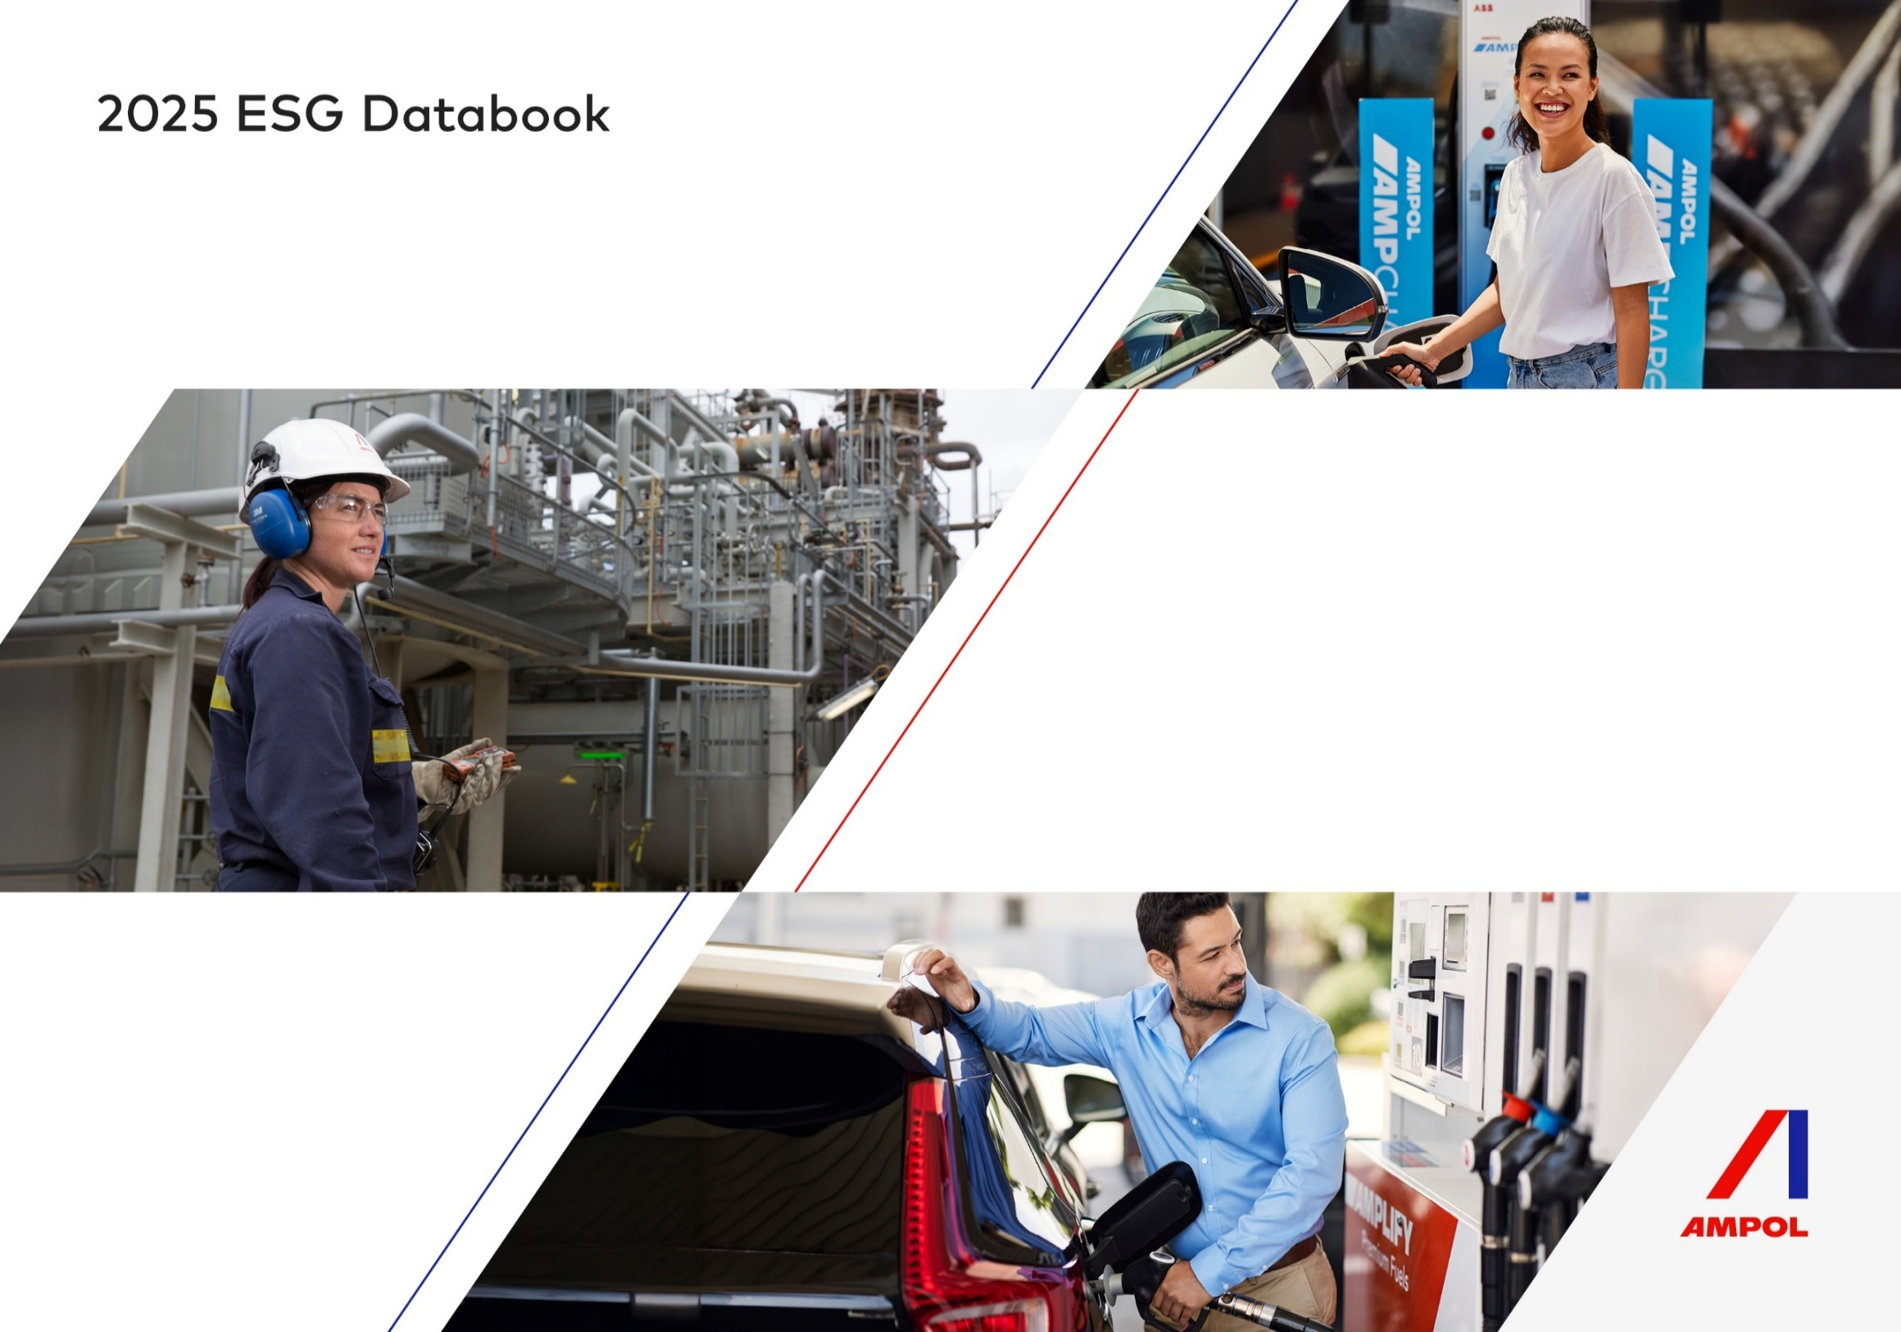

UN SDG Progress
X0A0T
X0A2H

Ampol Sustainability Theme | SDG |  | Key Targets | Disclosure / commentary
Climate Change and Energy Transition |  | 7.1 | Ensure access to affordable, reliable and modern energy sources | 2025 Annual Report ‒ Strategic Report 2025 Annual Report ‒ Climate change and energy transition 2025 Annual Report ‒ Sustainability Report 2025 ESG Databook (Energy and GHG emissions) 2025 ESG Databook (2025 progress) 2025 ESG Databook (Approach to Sustainability) 2025 GHG Emissions Calculation Methodology
 |  | 7.2 | Substantially increase the share of renewable energy sources
 |  | 7.3 | Improve energy efficiency
 |  | 9.4 | Upgrade infrastructure and retrofit industries to make them sustainable, with increased resource-use efficiency and greater adoption of clean and environmentally sound technologies and industrial processes, with all countries taking action in accordance with their respective capabilities
 |  | 13.1 | Strengthen resilience and adaptive capacity to climate-related hazards and natural disasters
 |  | 13.2 | Integrate climate change into policies, strategic and planning processes
Environment |  | 6.3 | Improve water quality by reducing pollution, eliminating dumping and minimizing release of hazardous chemicals and materials, halving the proportion of untreated wastewater and substantially increasing recycling and safe reuse globally | 2025 Annual Report ‒ Environment 2025 Annual Report ‒ Sustainability Report 2025 ESG Databook (Environment) 2025 ESG Databook (2025 progress) 2025 ESG Databook (Approach to Sustainability)
 |  | 12.2 | Achieve the sustainable management and efficient use of natural resources
 |  | 12.4 | Achieve the environmentally sound management of chemicals and all waste throughout their life cycle and in accordance with agreed international frameworks
 |  | 12.5 | By 2030, substantially reduce waste generation through prevent, reduction, recycling and reuse
 |  | 15.5 | Achieve full and productive employment and decent work for women and men, including young persons and persons with a disability, and equal pay for equal work
Responsible Business |  | 8.7 | Take immediate and effective measures to eradicate forced labour, end modern slavery and human trafficking and secure the prohibition and elimination of the worst forms of child labour, and end child labour in all its forms | 2025 Annual Report ‒ Responsible Business 2025 Ampol Modern Slavery Statement 2025 Corporate Governance Statement ‒ Corporate governance policies 2025 Corporate Governance Statement ‒ REI 2025 ESG Databook (People) 2025 ESG Databook (Ethics & Business conduct)
 |  | 8.8 | Protect labour rights and promote safe and secure working environments for all workers, including migrant workers, in particular women migrants, and those in precarious employment
 |  | 12.6 | Encourage companies, especially large and transnational companies, to adopt sustainable practices and to integrate sustainability information into their reporting cycle
 |  | 12.7 | Promote public procurement practices that are sustainable, in accordance with national policies and priorities
Safe, Inclusive and Resilient Ways of Working |  | 3.4 | Reduce premature mortality from non-communicable diseases through prevention and treatment and promote mental health and wellbeing | 2025 Annual Report ‒ Safe, inclusive, resilient ways of working 2025 Annual Report ‒ Environment 2025 Corporate Governance Statement ‒ REI 2025 Corporate Governance Statement ‒ Code of Conduct 2025 ESG Databook (Social) 2025 ESG Databook (Governance) 2025 ESG Databook (2025 progress) 2025 ESG Databook (Approach to Sustainability)
 |  | 3.9 | Substantially reduce the number of deaths and illnesses from hazardous chemicals and air, water and soil pollution and contamination
 |  | 5.5 | Ensure women’s full and effective participation and equal opportunities for leadership at all levels of decision making
 |  | 8.5 | Achieve full and productive employment and decent work for women and men, including young persons and persons with a disability, and equal pay for equal work
 |  | 8.8 | Protect labour rights and promote safe and secure working environments for all workers, including migrant workers, in particular women migrants, and those in precarious employment
Thriving Communities |  | 10.2 | Empower and promote the social, economic and political inclusion of all, irrespective of age, sex, disability, race, ethnicity, origin, religion or economic or other status | 2025 Annual Report ‒ Thriving communities 2025 Annual Report ‒ Safe, inclusive, resilient ways of working 2025 Corporate Governance Statement ‒ REI 2025 ESG Databook (People) 2025 ESG Databook (Community & Indigenous Peoples)
 |  | 11.4 | Strengthen efforts to protect and safeguard the world’s cultural and natural heritage

2025 Progress
X1A0T

2025 Sustainability Strategy Scorecard

2025 Priority | Progress Achieved
Wellbeing and inclusive workplaces
Continue to reduce the Group average gender-based pay differential | The group average gender-based pay differential as at 31 December 2025 was 11.4%, improving from 11.7% at the end of 2024.
Deliver initiatives that increase the likelihood of maintaining and/or uplifting AWEI status | Through the implementation of a range of initiatives (including the new Gender Affirmation Standard and Toolkit), Ampol achieved Silver Employer status in May 2025, improving on our previous Bronze status.
Deliver a behaviour-based safety program across Manufacturing, with a focus on pre-start hazard identification tools and critical risk controls | In 2025, Lytton implemented a behavioural safety intervention and improvement program supported by a refresh of prestart hazard identification tools and a Critical Risk Management Program using the bowtie methodology of the top 8 critical risks and critical control verification processes.
Continued implementation of security and psychosocial risk control programs across retail operations | Continued rollout of Security Risk Framework program to address hold ups, robbery incidents and break and enter incidents to strengthen security controls. Psychosocial risk program rolled out as part of the Ampol Wellbeing Framework.

Indigenous partnerships
Continue our commitment to reconciliation in Australia through implementation of the 2024-2026 Innovate Reconciliation Action Plan | 2025 procurement spend with Aboriginal and Torres Strait Islander businesses totalled $4.3m. There are now 57 Supply Nation Indigenous-led suppliers registered with the Group, an increase of 10 during 2025. Aboriginal and Torres Strait Islander representation in our Australian workforce increased slightly (3.0% to 3.1%).
Continue strengthening our internal and external Māori capability via the implementation of Te Terenga | Māori and Pasifika employee representation in New Zealand is 11.8% based on self-representation. Relationship building in New Zealand with Māori across Terminal and Retail networks. 3/3 Retail Site Renaming Projects completed. Mana whenua relationships established in Napier & Dunedin and ongoing in Nelson.

Supporting communities and nature
Continued delivery of Ampol Foundation Strategy, including ongoing management and engagement in major partnerships, workplace giving and employee volunteering programs | Achieved total community contribution target of >$5m through the Ampol Foundation, with $5.149m donated in 2025. 22 community partnerships awarded through “Your Town” grants program 15 internal activities driven by Starlight, Cancer Council, RSPCA, Street Side Medics, SLSA, The Smith Family, Sebastian Foundation and Kids Cancer Project ‘Charity Champions’ Focus on festive season volunteering through charity partners –Make A Wish Foundation, Starlight, Brisbane Children’s Hospital, Special Children’s Christmas Party Z Energy’s total community investment was NZ$2.531m through Good in the Hood, Regional Boost, BBM and its Biodiversity Fund
Prepare for full compliance with new tobacco legislative requirements | Transition to new tobacco legislative requirements completed.
Continued delivery of proactive community and environment programs across targeted fuel supply chain sites | Continued delivery of programs - refer to 2025 Annual Report for examples.
Continue to develop the Group Environmental Management System to reduce the impact of Ampol's operations in Australia | Continued delivery of programs - refer to 2025 Annual Report for examples.
Implementation of revised operating model to deliver remediation program across non-operational Convenience Retail sites | Implemented revised operating model delivering consistent maintenance and upgrades to Ampol underground petroleum storage systems (UPSS) - refer to 2025 Annual Report (Environment) for further information

Circular economy
Continue delivery of the retail packaging program | Australian Packaging Covenant Organisation (APCO) 2025 action plan has been delivered including a re-design of key packaging stock keeping units (SKUs) to include the Australian Recycling Logo (ARL), due for delivery in stores across all 2026.
...

Approach to Sustainability
X2A0T

Approach to Sustainability

About Ampol's approach to sustainability
In 2025, Ampol made the decision to transition from a fixed-term sustainability strategy to a more agile and purpose-led approach. The new approach to sustainability will take effect from 2026 and is designed to further embed sustainability into the execution of Ampol's broader corporate strategy, guided by the three core pillars of Enhance, Expand and Evolve. This shift reflects our commitment to mature sustainability governance, delivery of sustainability outcomes, and supporting continuous improvement as guided by best practice. The previous 2023-2025 Sustainability Strategy provided a strong foundation for our sustainability journey. However, as the operating environment and stakeholder expectations evolved, so too has our approach. The process of developing our new approach was collaborative and grounded in a lookback across business units, and highlighted the need for a more dynamic model that integrates sustainability into annual planning and aligns with our values and behaviours. The new approach to sustainability is structured around five themes, which group our material topics (as identified by our 2024 double materiality assessment) and guide strategic initiatives across the business to progress our sustainability journey. Each theme is supported by a long-term goal (see graphic below) and annually set strategic initiatives, developed in partnership with relevant business units. We will review the initiatives on an annual basis to ensure relevance and impact. This flexibility also allows us to prioritise material topics year to year, depending on evolving internal and external factors. In future iterations of the ESG Databook, further disclosures will be made as to the annually set strategic initiatives and our progress against them.

