Cover
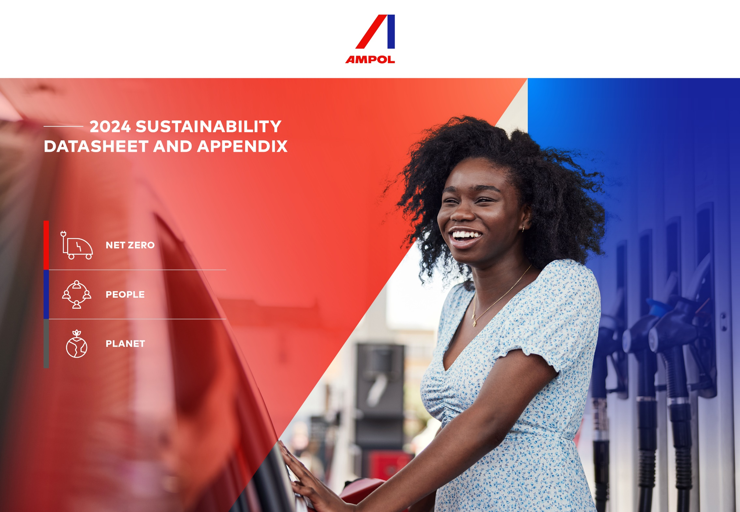

About
ABOUT AMPOL’S SUSTAINABILITY DATASHEET AND APPENDIX
Ampol’s sustainability performance reporting is aimed at improving the disclosure of our most material sustainability‑related risks and opportunities. In disclosing such content, we can provide our stakeholders with key information needed to make their investment decisions. In 2024, we have enhanced some of our disclosures and other content, in preparation for Australia’s mandatory climate‑related financial disclosures (AASB S2) under the Australian Sustainability Reporting Standard (ASRS), which come into effect for reporting periods commencing on or after 1 January 2025. Please note that it is not mandatory to provide this level of reporting in Australia in relation to 2024. This data is being provided on a voluntary basis, and has been prepared by Ampol using processes which we believe minimize the rise of material misstatement. Stakeholders should take that into account when using the data.
This 2024 sustainability datasheet and appendix has been prepared by Ampol Limited and corresponds, and is subject, to the 2024 Sustainability Performance Report, published within Ampol's 2024 Annual Report. The Sustainability Datasheet and Appendix contains additional data on key sustainability performance metrics beyond what is disclosed in the Sustainability Performance Report with the purpose of assisting our stakeholders in understanding our sustainable development performance.
Reporting period and boundaries
Ampol’s 2024 Sustainability Performance Report is focused on our operations across the Group which includes Australia, New Zealand (Z Energy), Singapore and Houston, USA. Unless otherwise identified, this report covers the period between 1 January 2024 to 31 December 2024.
For Scope 1 and 2 emissions data, this is in accordance with Australian energy reporting obligations under the National Greenhouse and Energy Reporting Act 2007 (Cth). For Scope 3 emissions data, this is in accordance with the Greenhouse Gas Protocol Corporate Value Chain (Scope 3) Standard. For New Zealand emissions data (Scope 1, 2 and 3), this is in accordance with the GHG Protocol Corporate Standard. Unless otherwise stated, emissions (Scope 1, 2 and 3 – Cat 11) and energy data disclosed within this report pertain to Australia and New Zealand only.
Reporting standards
Ampol's disclosures have been prepared with reference to the Global Reporting Initiative (GRI) standards and supplementary GRI Oil and Gas Sector disclosure guidance to provide our stakeholders with comparable information relating to our sustainability performance. Additionally, Ampol has indexed its disclosures against the core elements of the TCFD and identified 10 UN Sustainable Development Goals (SDGs) that align with our 2023-2025 Sustainability Strategy and an overview of the progress against these areas is provided in this datasheet.

Stakeholder Engagement
UNDERSTANDING OUR STAKEHOLDERS
We recognise the importance of working closely and transparently with our stakeholders to better understand their interests and needs to inform our materiality assessment and focus areas.
Throughout the year, we employed a range of formal and informal channels to engage with a range of stakeholders groups.
The table below identifies our main stakeholder groups we have identified in 2024 and the mechanisms through which we engaged with them. Ampol used the topics raised through these engagements to understand the issues that most materially impact our business strategy and ability to create long-term value.

Stakeholder Group | Engagement Mechanism | Key topics raised in 2024
Customers | Double Materiality Survey | High level of customer service offered
 | Customer complaint and feedback channels | Speed of visit
 | Digital and social media channels | Feeling like a valued customer
 | Newsletters | Site feedback
 | Customer Business Reviews | Discount queries
 | Correspondence (including meetings and phone calls) | Transaction queries
 |  | Fuel performance
 |  | Contract performance
 |  | Emerging industry issues
 |  | Business improvement initiatives

Employees and contractors | Double materiality interviews and surveys | Employee engagement
 | Employee commuting survey | Representation, equity and inclusion
 | Peakon employee listening tool | Leadership
 | Digital and social platforms | Recognition and performance
 | Employee updates | Communication and organisational change
 |  | Health, safety and wellbeing

Shareholders & investment community | Double Materiality Survey | Financial performance
 | ESG Surveys | Business strategy
 | ASX market releases | Capital allocation
 | Financial results | Macro conditions and industry outlook
 | Investor non-deal roadshows, meetings and conferences | ESG issues
 | Annual General Meeting
 | Investor Days

First Nations, indigenous and Local communities | Community hotline, e-mail and post | Local community impacts (e.g. noise, odour)
 | Correspondence (including meetings and phone calls) | Environmental impacts
 | Community events | Supporting local communities
 | Community consultation | Providing employment opportunities
 | Sponsored activities and charity fundraising events | Engaging with Aboriginal and Torres Strait Islander communities
 | Staff volunteering

Governments, Regulators, Industry Bodies and Associations | Stakeholder meetings | Fuel security
 | Industry roundtables and briefings | Energy transition
 | Site tours | Fuel pricing
 | Business engagement forums | Fuel quality standards
 |  | Biofuels mandates
 |  | Effective environmental management of facilities
 |  | Energy and climate change policy
 |  | Taxation, fuel excise

Business Partners and suppliers | Double Materiality Survey | Supplier performance (behaviours and outcomes)
 | Supplier meetings, briefings and workshops | Health, safety, environment and quality metrics
 | Site tours | Ethical business practices
 | Supplier feedback surveys | Continuous improvement
 | Supplier Code of Conduct surveys | Joint collaboration opportunities

Media | Correspondence (including meetings and phone calls) | Strategy and future direction
 | Media release | Energy transition
 | Digital and social media | Financial performance
 | Executive briefings | Operational issues
 |  | Fuel prices
 |  | Fuel security
 |  | Potential M&A

