Sheet1
Newsletter sign-up

Your personal rate of inflation

Categories | Description | Amount spent over the year | Weight per category | Inflation per year | Personal weight per category | Personal inflation rate per year
Food and non-alcoholic beverages | Fruit and vegetables, takeaway, dining out | $22,000.00 | 17.40% | 3.30% | 22.00% | 0.73%
Alcohol and tobacco | Cigarettes and alcohol | $5,000.00 | 6.50% | 4.30% | 5.00% | 0.22%
Clothing and footwear | Garments for men and women, shoes | $5,000.00 | 3.20% | 5.10% | 5.00% | 0.26%
Housing | New dwellings, rent, maintenance and costs for existing dwellings | $30,000.00 | 21.40% | 5.20% | 30.00% | 1.56%
Furnishings, household equipment and services | Furniture, white goods, childcare, hairdressing and personal care services | $5,000.00 | 7.90% | 1.30% | 5.00% | 0.07%
Health | Medical products, personal care goods medical appliances | $5,000.00 | 6.70% | 3.60% | 5.00% | 0.18%
Transport | Motor vehicles, spare parts, automotive fuel, public transport | $7,000.00 | 11.50% | 2.70% | 7.00% | 0.19%
Communication | Telecommunication equipment and services | $1,000.00 | 2.10% | 1.30% | 1.00% | 0.01%
Recreation and culture | Newspapers, books, holiday travel, pet related products, camping equipment | $10,000.00 | 13.10% | 2.00% | 10% | 0.20%
Education | School fees | $5,000.00 | 4.70% | 5.40% | 5.00% | 0.27%
Insurance and financial services | Insurance | $5,000.00 | 5.60% | 2.50% | 5.00% | 0.13%
Total |  | $100,000.00 | 100% |  |  | 3.80%
 |  |  |  |  | Annual CPI inflation rate | 3.40%
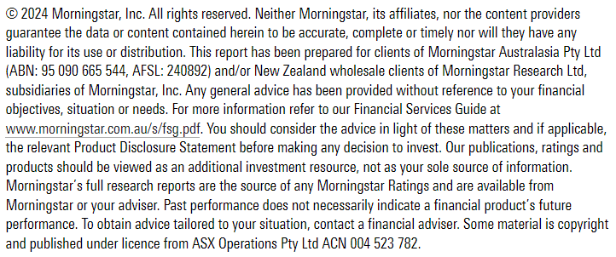
Your personal rate of inflation
Add in the amount that you spend over the year for each of the categories

