Calculator
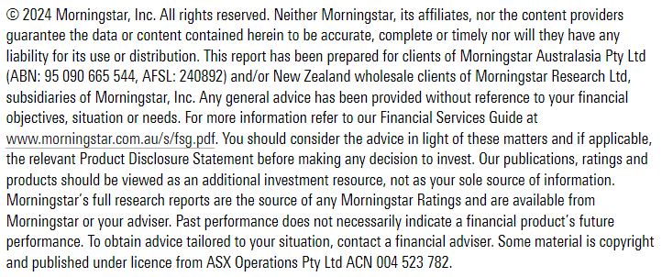
Enter your superannuation balance here.
Newsletter sign-up

Superannuation balance
$300,000
SMSF |  | INDUSTRY FUND |  |  | RETAIL FUND
Set up fees | Cost | Set up fees | Cost | Real cost | Set up fees | Cost | Real cost
You're able to adjust any cost (in green boxes) to better reflect the costs of the funds or services. For industry and retail super funds, you can find these costs in the Product Disclosure Statement (PDS).
SMSF set up | $488 | Account set-up | $- | $- | Account set-up | $- | $-
ASIC fee | $507
Service provider fee | $895

Ongoing fees (in accumulation) |  | Ongoing fees (in accumulation) |  |  | Ongoing fees (in accumulation)
Annual ASIC fee (special purpose company) | $55 | Administration fee (flat) | $52 | $52 | Administration fee (flat) | $0 | $0
ATO supervisory levy | $259 | Administration fee (asset based) | 0.10% | $300.00 | Administration fee (asset based) | 0.00% | $0.00
Audit fee | $495 | Investment fees | 0.50% | $1,500.00 | Investment fees | 1.01% | $3,030.00
Financial statement and tax return | $880 | Transaction costs | 0.06% | $180.00 | Transaction costs | 0.00% | $0.00
Add any investment fees from ETFs/managed funds here. If you have multiple ETFs/managed funds, you can use the calculator in sheet 2.
Actuarial certificate | $110
Investment fees | $919
Brokerage fees (p.a.) | $400
Total first year (including establishment) | $5,008
Total ongoing (accumulation) | $3,118 | Total ongoing |  | $2,032 | Total ongoing |  | $3,030.00

Effective percentage based fee (% p.a.) |  | Effective percentage based fee (% p.a.) |  |  | Effective percentage based fee (% p.a.)
Ongoing | 1.04% | Ongoing | 0.68% |  | Ongoing | 1.01%
First year | 1.67%

