Problem 1 Inflation
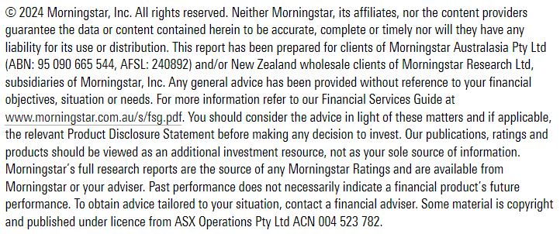
Newsletter sign-up |  |  | Problem 1: Inflation Inflation is the cost of goods and services rising over time. High inflation over the course of retirement is bad luck and we need to account for it. Inflation can make or break retirement outcomes. Whether articulated or not the goal of all retirees is to maintain at least the same lifestyle in retirement. That means increasing the amount of spending each year by how much the costs of what you consume increases. The more inflation over the course of your retirement the quicker you will run out of money. That means less can be safely withdrawn. The first step to figuring out a plan for retirement is to consider how much of a risk inflation is to your retirement. That is the first tab of the model I’ve put together. The first step is to consider wants and needs in the context of inflation. Housing is a need. Feeding yourself is a need. Medical care is a need. Most other categories of spending are technically wants. But think carefully about the quality of life you want in retirement. Going to Europe every August is not a need. In theory that is something that can be cut out of your budget if inflation is higher than expected. The question is if you want to risk having to cut that out of your budget. Personally, I would rather work a couple more years to enable travel in retirement. That is just me. You need to make your own decision. I’m attempting to account for both wants and needs in your retirement plan. But what is a want and what is a need is up to each person. If you need to go to Europe every year than add it into your needs. It is harder to substitute your needs. You always have the option of substituting a more expensive place to live for a cheaper one. You could eat tins of beans every night instead of your preferred dinner. But for many people these are unpalatable scenarios. Wants are easier to substitute. If you can’t afford to go on holiday to Europe you could go to a cheaper location. If you want to go out to dinner twice a mont

Prior to completing this tab estimate your annual retirement spending. Categorise spending into wants and needs and enter the estimate into the appropriate column. Also estimate how much of your spending will come from non-portfolio sources including annuities, age pension or a reverse mortgage. This spreadsheet is designed to calculate the size of a portfolio needed to support retirement spending. The non-portfolio income should be aligned to needs. Fill out the light blue cells to calculate a weighted withdrawal rate and a preliminary retirement goal for your portfolio.

Category | Spending for needs | Spending for wants
 | $- | $-
 | $- | $-
 | $- | $-
 | $- | $-
 | $- | $-
 | $- | $-
 | $- | $-
 | $- | $-
 | $- | $-
 | $- | $-
 | $- | $-
Total non-portfolio income | $-
Total | $- | $-
Weighting | #DIV/0! | #DIV/0!
Withdrawal rate | 4.00% | 5.00%

Weighted withdrawal rate |  | Annual portfolio supported spending
#DIV/0! |  | $-

 |  | Retirement goal
 |  | #DIV/0!

